Wiper Blade Inv.
Wiper Blades

Brand: Moway

S/N | Item No. | Size | UPC code | Description | Adaptor |  | Quantity | Unit | Total Carton | Length (cm) | Height (cm) | Width (cm) | CBM/CTN (m3) | NET WEIGHT/CTN (lbs)
1 | 819 | 16" | 8 1734701142 8 | universal wiper blade | OE |  | 750 | pcs | 5pcs/CTN | 49.0 | 15.5 | 10.5 | 0.00797 | 2.03
3 |  | 18" | 8 1734701144 2 |  |  |  | 1,250 | pcs |  | 54.0 | 15.5 | 10.5 | 0.00879 | 2.25
4 |  | 19" | 8 1734701145 9 |  |  |  | 850 | pcs |  | 59.0 | 15.5 | 10.5 | 0.00960 | 2.25
5 |  | 20" | 8 1734701146 6 |  |  |  | 1,500 | pcs |  | 59.0 | 15.5 | 10.5 | 0.00960 | 2.48
6 |  | 21" | 8 1734701144 2 |  |  |  | 1,750 | pcs |  | 64.0 | 15.5 | 10.5 | 0.01042 | 2.48
7 |  | 22" | 8 1734701148 0 |  |  |  | 1,250 | pcs |  | 64.0 | 15.5 | 10.5 | 0.01042 | 2.70
8 |  | 24" | 8 1734701149 7 |  |  |  | 1,250 | pcs |  | 69.0 | 15.5 | 10.5 | 0.01123 | 2.93
9 |  | 26" | 8 1734701150 3 |  |  |  | 1,000 | pcs |  | 74.0 | 15.5 | 10.5 | 0.01204 | 3.38
10 |  | 28" | 8 1734701151 0 |  |  |  | 750 | pcs |  | 79.0 | 15.5 | 10.5 | 0.01286 | 3.38
1 | 818 | 16" | 8 1734701142 8 | universal wiper blade | OE |  | 675 | pcs | 5pcs/CTN | 49.0 | 15.5 | 10.5 | 0.00797 | 2.03
2 |  | 17" | 8 1734701138 1 |  |  |  | 875 | pcs |  | 54.0 | 15.5 | 10.5 | 0.00879 | 2.03
3 |  | 18" | 8 1734701144 2 |  |  |  | 1,470 | pcs |  | 54.0 | 15.5 | 10.5 | 0.00879 | 2.25
4 |  | 19" | 8 1734701145 9 |  |  |  | 1,165 | pcs |  | 59.0 | 15.5 | 10.5 | 0.00960 | 2.25
5 |  | 20" | 8 1734701146 6 |  |  |  | 2,165 | pcs |  | 59.0 | 15.5 | 10.5 | 0.00960 | 2.48
6 |  | 21" | 8 1734701146 6 |  |  |  | 1,375 | pcs |  | 64.0 | 15.5 | 10.5 | 0.01042 | 2.48
7 |  | 22" | 8 1734701148 0 |  |  |  | 2,815 | pcs |  | 64.0 | 15.5 | 10.5 | 0.01042 | 2.70
8 |  | 24" | 8 1734701149 7 |  |  |  | 1,110 | pcs |  | 69.0 | 15.5 | 10.5 | 0.01123 | 2.93
9 |  | 26" | 8 1734701150 3 |  |  |  | 270 | pcs |  | 74.0 | 15.5 | 10.5 | 0.01204 | 3.38
10 |  | 28" | 8 1734701151 0 |  |  |  | 470 | pcs |  | 79.0 | 15.5 | 10.5 | 0.01286 | 3.38
1 | Y99 | 16" | 4 691127085016 | Flat wiper blade | 4 adaptors fit for 98%cars | 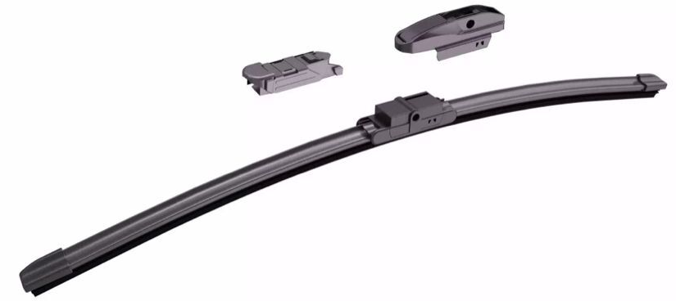 | 380 | pcs | 5pcs/CTN | 50.0 | 13.0 | 9.5 | 0.00618 | 2.03
2 |  | 17" | 4 691127085023 |  |  |  | 770 | pcs |  | 57.0 | 13.0 | 9.5 | 0.00704 | 2.25
3 |  | 18" | 4 691127085030 |  |  |  | 760 | pcs |  | 57.0 | 13.0 | 9.5 | 0.00704 | 2.25
4 |  | 19" | 4 691127085047 |  |  |  | 770 | pcs |  | 57.0 | 13.0 | 9.5 | 0.00704 | 2.48
5 |  | 20" | 4 691127085054 |  |  |  | 1,550 | pcs |  | 62.0 | 13.0 | 9.5 | 0.00766 | 2.48
6 |  | 21" | 4 691127085061 |  |  |  | 950 | pcs |  | 62.0 | 13.0 | 9.5 | 0.00766 | 2.70
7 |  | 22" | 4 691127085078 |  |  |  | 1,750 | pcs |  | 64.0 | 13.0 | 9.5 | 0.00790 | 2.70
8 |  | 24" | 4 691127085085 |  |  |  | 1,150 | pcs |  | 72.0 | 13.0 | 9.5 | 0.00889 | 2.93
9 |  | 26“ | 4 691127085092 |  |  |  | 455 | pcs |  | 79.5 | 13.0 | 9.5 | 0.00982 | 3.15
10 |  | 28“ | 4 691127085108 |  |  |  | 385 | pcs |  | 79.5 | 13.0 | 9.5 | 0.00982 | 3.38
1 | 920 | 16" | 8 1734701140 4 | Hybrid wiper blade | 5 adaptors fit for 99%cars |  | 925 | pcs | 5pcs/CTN | 50.0 | 13.0 | 9.5 | 0.00618 | 2.48
2 |  | 17" | 8 1734701141 1 |  |  |  | 885 | pcs |  | 57.0 | 13.0 | 9.5 | 0.00704 | 2.70
3 |  | 18" | 8 1734701142 8 |  |  |  | 1,335 | pcs |  | 57.0 | 13.0 | 9.5 | 0.00704 | 2.93
4 |  | 19" | 8 1734701143 5 |  |  |  | 1,210 | pcs |  | 57.0 | 13.0 | 9.5 | 0.00704 | 2.93
5 |  | 20" | 8 1734701144 2 |  |  |  | 2,235 | pcs |  | 62.0 | 13.0 | 9.5 | 0.00766 | 3.15
6 |  | 21" | 8 1734701145 9 |  |  |  | 1,640 | pcs |  | 62.0 | 13.0 | 9.5 | 0.00766 | 3.15
7 |  | 22" | 8 1734701146 6 |  |  |  | 2,770 | pcs |  | 64.5 | 13.0 | 9.5 | 0.00797 | 3.15
8 |  | 24" | 8 1734701147 3 |  |  |  | 1,945 | pcs |  | 72.0 | 13.0 | 9.5 | 0.00889 | 3.60
9 |  | 26“ | 8 1734701148 0 |  |  |  | 835 | pcs |  | 79.5 | 13.0 | 9.5 | 0.00982 | 3.82
10 |  | 28“ | 8 1734701149 7 |  |  |  | 760 | pcs |  | 79.5 | 13.0 | 9.5 | 0.00982 | 4.27
1 | 980 | 16" | 8 1734701130 5 | Snow wiper blade | Several adaptors fit for 98% cars | 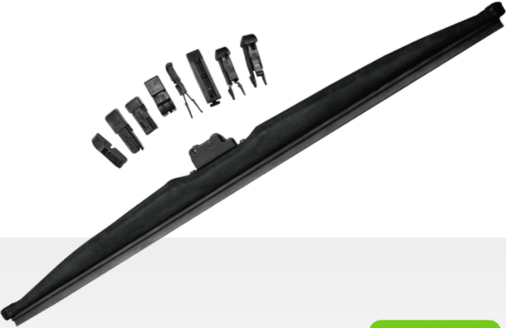 | 725 | pcs | 5pcs/CTN | 50.0 | 13.0 | 9.5 | 0.00618 | 2.48
2 |  | 18" | 8 1734701131 2 |  |  |  | 1,225 | pcs |  | 57.0 | 13.0 | 9.5 | 0.00704 | 2.93
3 |  | 19" | 8 1734701132 9 |  |  |  | 825 | pcs |  | 57.0 | 13.0 | 9.5 | 0.00704 | 2.93
4 |  | 20" | 8 1734701133 6 |  |  |  | 1,475 | pcs |  | 62.0 | 13.0 | 9.5 | 0.00766 | 3.15
5 |  | 21" | 8 1734701134 3 |  |  |  | 1,725 | pcs |  | 62.0 | 13.0 | 9.5 | 0.00766 | 3.15
6 |  | 22" | 8 1734701135 0 |  |  |  | 1,225 | pcs |  | 64.0 | 13.0 | 9.5 | 0.00790 | 3.15
7 |  | 24" | 8 1734701136 7 |  |  |  | 1,220 | pcs |  | 72.0 | 13.0 | 9.5 | 0.00889 | 3.60
8 |  | 26“ | 8 1734701137 4 |  |  |  | 975 | pcs |  | 79.5 | 13.0 | 9.5 | 0.00982 | 3.82
9 |  | 28“ | 8 1734701138 1 |  |  |  | 725 | pcs |  | 79.5 | 13.0 | 9.5 | 0.00982 | 4.27
 |  |  |  |  |  |  | 56,320 |  |  |  |  |  | 0.42479 | 137.70

